Daily Power Station Chart_14-01
Plant_18/01/2025Chart

Plant:odco1 |  |  | Installed Capacity:111.180kWp
Today Yield(kWh):234.600kWh |  | Today Earning:93840.000TND |  | Today Full Load Hours(h):2.11h

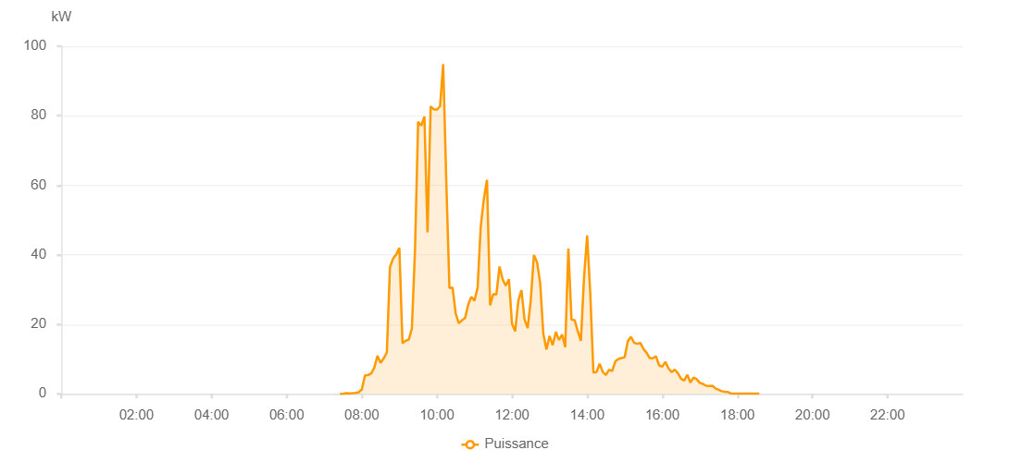

Number | Time | Working State | PV(W) | Instantaneous Radiation(W/㎡)
1 | 07:25:00 | Online | 20.00000 | 0
2 | 07:30:00 | Online | 20.00000 | 0
3 | 07:35:00 | Online | 200.00000 | 0
4 | 07:40:00 | Online | 140.00000 | 0
5 | 07:45:00 | Online | 180.00000 | 0
6 | 07:50:00 | Online | 280.00000 | 0
7 | 07:55:00 | Online | 480.00000 | 4.00000
8 | 08:00:00 | Online | 1260.00000 | 15.00000
9 | 08:05:00 | Online | 5250.00000 | 31.00000
10 | 08:10:00 | Online | 5440.00000 | 43.00000
11 | 08:15:00 | Online | 5850.00000 | 58.00000
12 | 08:20:00 | Online | 7540.00000 | 62.00000
13 | 08:25:00 | Online | 10940.00000 | 84.00000
14 | 08:30:00 | Online | 8920.00000 | 91.00000
15 | 08:35:00 | Online | 10220.00000 | 78.00000
16 | 08:40:00 | Online | 11890.00000 | 103.00000
17 | 08:45:00 | Online | 36470.00000 | 134.00000
18 | 08:50:00 | Online | 38910.00000 | 535.00000
19 | 08:55:00 | Online | 40100.00000 | 563.00000
20 | 09:00:00 | Online | 41970.00000 | 608.00000
21 | 09:05:00 | Online | 14550.00000 | 168.00000
22 | 09:10:00 | Online | 15290.00000 | 104.00000
23 | 09:15:00 | Online | 15570.00000 | 130.00000
24 | 09:20:00 | Online | 18760.00000 | 257.00000
25 | 09:25:00 | Online | 41350.00000 | 765.00000
26 | 09:30:00 | Online | 78240.00000 | 263.00000
27 | 09:35:00 | Online | 77140.00000 | 713.00000
28 | 09:40:00 | Online | 79780.00000 | 754.00000
29 | 09:45:00 | Online | 46440.00000 | 799.00000
30 | 09:50:00 | Online | 82700.00000 | 433.00000
31 | 09:55:00 | Online | 81840.00000 | 735.00000
32 | 10:00:00 | Online | 81730.00000 | 733.00000
33 | 10:05:00 | Online | 82730.00000 | 741.00000
34 | 10:10:00 | Online | 94830.00000 | 794.00000
35 | 10:15:00 | Online | 61010.00000 | 880.00000
36 | 10:20:00 | Online | 30420.00000 | 843.00000
37 | 10:25:00 | Online | 30560.00000 | 248.00000
38 | 10:30:00 | Online | 23070.00000 | 219.00000
39 | 10:35:00 | Online | 20300.00000 | 177.00000
40 | 10:40:00 | Online | 21190.00000 | 154.00000
41 | 10:45:00 | Online | 21820.00000 | 225.00000
42 | 10:50:00 | Online | 25660.00000 | 190.00000
43 | 10:55:00 | Online | 27930.00000 | 271.00000
44 | 11:00:00 | Online | 26820.00000 | 237.00000
45 | 11:05:00 | Online | 30520.00000 | 338.00000
46 | 11:10:00 | Online | 48070.00000 | 339.00000
47 | 11:15:00 | Online | 56040.00000 | 323.00000
48 | 11:20:00 | Online | 61570.00000 | 730.00000
49 | 11:25:00 | Online | 25460.00000 | 283.00000
50 | 11:30:00 | Online | 28700.00000 | 221.00000
51 | 11:35:00 | Online | 28550.00000 | 251.00000
52 | 11:40:00 | Online | 36610.00000 | 458.00000
53 | 11:45:00 | Online | 32950.00000 | 360.00000
54 | 11:50:00 | Online | 31100.00000 | 362.00000
55 | 11:55:00 | Online | 32970.00000 | 278.00000
56 | 12:00:00 | Online | 20120.00000 | 194.00000
57 | 12:05:00 | Online | 17980.00000 | 156.00000
58 | 12:10:00 | Online | 26750.00000 | 192.00000
59 | 12:15:00 | Online | 29840.00000 | 276.00000
60 | 12:20:00 | Online | 21360.00000 | 207.00000
61 | 12:25:00 | Online | 18940.00000 | 163.00000
62 | 12:30:00 | Online | 27100.00000 | 197.00000
63 | 12:35:00 | Online | 39960.00000 | 760.00000
64 | 12:40:00 | Online | 37840.00000 | 294.00000
65 | 12:45:00 | Online | 31780.00000 | 315.00000
66 | 12:50:00 | Online | 17270.00000 | 131.00000
67 | 12:55:00 | Online | 12770.00000 | 131.00000
68 | 13:00:00 | Online | 16660.00000 | 125.00000
69 | 13:05:00 | Online | 14000.00000 | 124.00000
70 | 13:10:00 | Online | 17810.00000 | 149.00000
71 | 13:15:00 | Online | 15510.00000 | 132.00000
72 | 13:20:00 | Online | 17030.00000 | 146.00000
73 | 13:25:00 | Online | 13460.00000 | 125.00000
74 | 13:30:00 | Online | 41780.00000 | 132.00000
75 | 13:35:00 | Online | 21300.00000 | 185.00000
76 | 13:40:00 | Online | 21230.00000 | 187.00000
77 | 13:45:00 | Online | 18010.00000 | 179.00000
78 | 13:50:00 | Online | 15230.00000 | 130.00000
79 | 13:55:00 | Online | 33330.00000 | 158.00000
80 | 14:00:00 | Online | 45580.00000 | 471.00000
81 | 14:05:00 | Online | 28870.00000 | 141.00000
82 | 14:10:00 | Online | 6100.00000 | 61.00000
83 | 14:15:00 | Online | 6280.00000 | 52.00000
84 | 14:20:00 | Online | 8640.00000 | 68.00000
85 | 14:25:00 | Online | 6270.00000 | 66.00000
86 | 14:30:00 | Online | 5420.00000 | 46.00000
87 | 14:35:00 | Online | 6960.00000 | 52.00000
88 | 14:40:00 | Online | 6520.00000 | 50.00000
89 | 14:45:00 | Online | 9360.00000 | 67.00000
90 | 14:50:00 | Online | 10040.00000 | 79.00000
91 | 14:55:00 | Online | 10290.00000 | 81.00000
92 | 15:00:00 | Online | 10540.00000 | 87.00000
93 | 15:05:00 | Online | 15170.00000 | 100.00000
94 | 15:10:00 | Online | 16410.00000 | 136.00000
95 | 15:15:00 | Online | 14720.00000 | 117.00000
96 | 15:20:00 | Online | 14380.00000 | 101.00000
97 | 15:25:00 | Online | 14660.00000 | 111.00000
98 | 15:30:00 | Online | 12920.00000 | 108.00000
99 | 15:35:00 | Online | 11790.00000 | 107.00000
100 | 15:40:00 | Online | 10290.00000 | 94.00000
101 | 15:45:00 | Online | 10210.00000 | 85.00000
102 | 15:50:00 | Online | 10810.00000 | 94.00000
103 | 15:55:00 | Online | 8180.00000 | 66.00000
104 | 16:00:00 | Online | 7830.00000 | 67.00000
105 | 16:05:00 | Online | 9210.00000 | 76.00000
106 | 16:10:00 | Online | 7300.00000 | 69.00000
107 | 16:15:00 | Online | 6270.00000 | 51.00000
108 | 16:20:00 | Online | 6990.00000 | 58.00000
109 | 16:25:00 | Online | 5960.00000 | 58.00000
110 | 16:30:00 | Online | 4340.00000 | 45.00000
111 | 16:35:00 | Online | 3780.00000 | 35.00000
112 | 16:40:00 | Online | 5470.00000 | 30.00000
113 | 16:45:00 | Online | 3260.00000 | 28.00000
114 | 16:50:00 | Online | 4680.00000 | 28.00000
115 | 16:55:00 | Online | 4220.00000 | 27.00000
116 | 17:00:00 | Online | 3170.00000 | 24.00000
117 | 17:05:00 | Online | 2870.00000 | 21.00000
118 | 17:10:00 | Online | 2320.00000 | 17.00000
119 | 17:15:00 | Online | 2240.00000 | 18.00000
120 | 17:20:00 | Online | 2320.00000 | 17.00000
121 | 17:25:00 | Online | 1560.00000 | 16.00000
122 | 17:30:00 | Online | 1150.00000 | 10.00000
123 | 17:35:00 | Online | 760.00000 | 6.00000
124 | 17:40:00 | Online | 600.00000 | 3.00000
125 | 17:45:00 | Online | 510.00000 | 0
126 | 17:50:00 | Online | 70.00000 | 0
127 | 17:55:00 | Online | 40.00000 | 0
128 | 18:00:00 | Online | 40.00000 | 0
129 | 18:05:00 | Online | 40.00000 | 0
130 | 18:10:00 | Online | 40.00000 | 0
131 | 18:15:00 | Online | 40.00000 | 0
132 | 18:20:00 | Online | 40.00000 | 0
133 | 18:25:00 | Online | 40.00000 | 0
134 | 18:30:00 | Online | 40.00000 | 0
135 | 18:35:00 | Online | 40.00000 | 0
136 | 18:55:00 | Online | 0.00001 | 0.00001

